RA & Treatment Plan
DPIA & RA WORKSHEET
X0PA Ai Pte Ltd
Subject: |  | RISK ASSESSMENT |  |  |  | Prepared by: (Name, Signature, Role) |  | Ben Shu |  | CTO
Initial Review Date |  | 1st July 2024 |  |  |  |  |  | Liz Han |  | HR Manager
Last Review Date: |  | 29th Apr 2024 |  |  |  | Reviewed by: (Name, Signature, Role) |  | Renz Arriola |  | DPO
Next Review Date: |  | 1st Oct 2025 |  |  |  | Approved by: (Name, Signature, Role) |  | Ramcis Vilchez |  | CEO
Doc. Ref. No.: |  | DPMP-PRO-01 Data Protection Impact Assessment (DPIA) & Risk Assessment |  |  |  | Date of Approval: |  |  |  | 29th Apr 2022

*Include risks identified in the DPIA and any other determined risks
S/N | Risk Description* (Issues, Vulnerabilities, Weaknesses) | Risk Owner (Action Owner) | Likelihood | Impact | Risk Score | Risk Level | Treatment Option Chosen | Proposed Control | Implementation Target Date | Current Status | Remarks
1 | No process implemented yet to determine if fresh consent is needed | DPO | 3 | 4 | 12 | HIGH | Modify | Implement a management of change (MOC) form to cover review of changes to determine if new consent is necessary | End-Nov 2020 | Implemented
2 | No process yet for withdrawal of consent | DPO | 3 | 4 | 12 | HIGH | Modify | Document and implement a withdrawal of consent process | End-Nov 2020 | Implemented
3 | No process yet for personal data verification | DPO | 3 | 4 | 12 | HIGH | Modify | Document and implement a persondal data verification process | End-Nov 2020 | Implemented
4 | No process yet for responding to access and correction request | DPO | 3 | 4 | 12 | HIGH | Modify | Document and implement access and correction process | End-Nov 2020 | Implemented
5 | No process yet to receive and respond to data breach | DPO | 3 | 4 | 12 | HIGH | Modify | Document and implement data breach management plan | End-Nov 2020 | Implemented
6 | Existing confidentiality clauses and contractual agreement may not cover personal data obligations in line with PDPA | DPO | 3 | 4 | 12 | HIGH | Modify | Implement PDPA Agreement | End-Nov 2020 | Implemented
7 | Third party organisations (including CSP) are not assessed for their data protection practices before they are selected. | DPO | 3 | 4 | 12 | HIGH | Modify | Conduct due diligence assessment external providers including cloud service providers (CSPs) | End-Nov 2020 | Implemented
8 | Unauthorized access / external threat factor (e.g. hacking, malware) | IT | 3 | 3 | 9 | MEDIUM | Modify | - Vulnerability assessment to be planned at least once a year - Security of end-user points to be ensured (e.g. anti-virus, patching) | End-Nov 2020 | Implemented
9 | Staff not trained regarding the protection of personal data by informing them of data protection policies, procedures and best practices; Information and assets are used in ways that are not acceptable to the organization e.g. devices and information left exposed | DPO / HR | 3 | 3 | 9 | MEDIUM | Modify | Employees (including interns) to be briefed on policies and processes, and acknowledge on the Acceptable Use Policy | End-Nov 2020 | Implemented
10 | Though retention limit has been defined, no documented process yet for retention and destruction. | DPO | 3 | 3 | 9 | MEDIUM | Modify | Document and implement retention and destruction process | End-Nov 2020 | Implemented
11 | Personal data e.g. NRIC or other government issued IDs are sent over email | HR | 3 | 3 | 9 | MEDIUM | Modify | Ensure that personal data is password-protected; Delete e-mail immediately after saving the personal data to designated password-protected local folder | End-Nov 2020 | Implemented | A briefing has also been conducted to employees to emphasize the importance of personal data responsibility
12 | Theft / break-ins | HR | 2 | 2 | 4 | LOW | Accept | Physical security of office premises, CCTV Operations | End-Nov 2020 | Implemented
13 | Unauthorized access / external threat factor (e.g. hacking, malware) of databases | CTO / HR | 2 | 3 | 6 | MEDIUM | Modify | - Security of end-user points to be ensured (e.g. anti-virus, patching) - Due diligence conducted on CSP prior to engagement - Regular Backup Process - Encryption of PD before storing in database | 1-Mar-22 | Implemented
14 | Corruption/Loss of Access to databases | CTO / HR | 1 | 2 | 2 | LOW | Modify | - Regular Backup Process - Due diligence conducted on CSP prior to engagement | End-Nov 2020 | Implemented

 | Reference: DPMP-PRO-01 Risk Assessment & Data Protection Impact Assessment

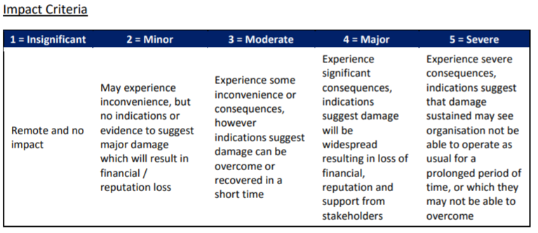

 | Risk Classification
 | • HIGH – 12 or more
 | • MEDIUM – 5 to 10 inclusive
 | • LOW – 1 to 4 inclusive
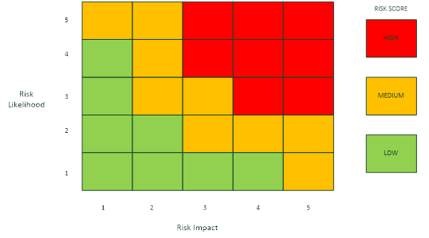
 |  |  |  |  | Risk Acceptance Criteria
 |  |  |  |  | A risk may be recommended for acceptance if it meets one or more of the following criteria:
 |  |  |  |  | • the risk of potential loss in confidentiality, integrity and availability of information is calculated as 4 or less
 |  |  |  |  | • known changes within 3 months or less will soon mean that the risk is reduced or disappears completely
 |  |  |  |  | • the cost of an appropriate control is judged to be more than the potential loss
 |  |  |  |  | • an area is known to be high risk but also high potential reward and the potential direct or indirect benefits are agreed to be greater than the impact i.e. it is a calculated risk

